30_instrument_coverage
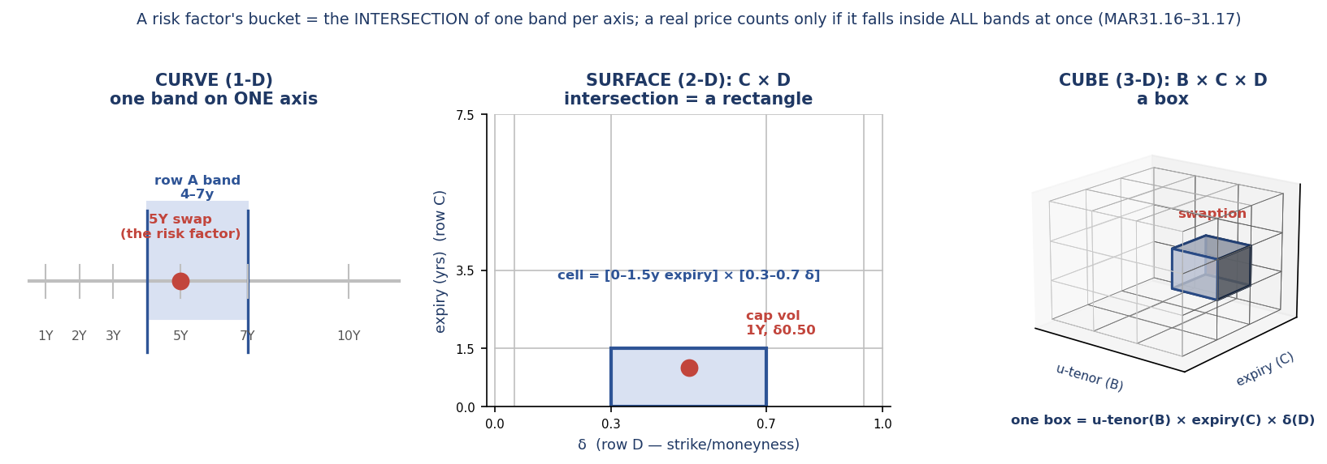
Holistic Instrument / Risk-Factor Coverage Matrix
Every instrument family in MAR31.16 mapped to object type, axes, applicable rows and example risk-factor points.

Risk class | Example instrument | Sample contract | Object | Axis → bucket row | Example risk-factor point | RFET counted via
Interest rate | Vanilla IR swap / bond | 5Y EUR payer IRS, €100m, fixed vs 6M Euribor (or Bund 0.0% 2030) | Curve | maturity → A | 5Y point of EUR swap curve | trade counts if maturity ∈ 4–7y (A, bucket 4)
Interest rate | Forward-starting / tenor-by-tenor swap (several maturity dims) | EUR 2Y-into-5Y forward-starting payer swap, €50m | Surface | maturity → B | forward(start 2Y, tenor 5Y) point | trade counts if start ∈ 0.75–4y AND tenor ∈ 4–10y (B×B cell)
Interest rate | Cap/floor implied vol (non-swaption) | EUR 1Y cap, 3.0% strike on 3M Euribor | Surface | expiry → C ; strike → D | 1Y expiry, δ0.50 caplet vol | vol quote counts if expiry ∈ 0–1.5y AND δ ∈ 0.3–0.7 (C×D cell)
Interest rate | Swaption implied vol | EUR 2Y-into-10Y ATM payer swaption | Cube | u-tenor → B ; expiry → C ; strike → D | 10Y u-tenor, 2Y expiry, δ0.50 | quote counts if u-tenor ∈ 10–18y AND expiry ∈ 1.5–3.5y AND δ ∈ 0.3–0.7 (B×C×D cell)
FX | FX forward / outright | EUR/USD 1Y outright forward, €25m | Curve | maturity → A | 1Y EURUSD forward point | fwd counts if maturity ∈ 0.75–1.5y (A, bucket 2)
FX | FX option implied vol | EUR/USD 3M 25Δ risk reversal | Surface | expiry → C ; strike → D | 3M expiry, 25Δ (≈δ0.25) vol | vol quote counts if expiry ∈ 0–1.5y AND δ ∈ 0.05–0.3 (C×D cell)
Commodity | Commodity future (single maturity) | NYMEX WTI (CL) Dec-2026 future, 1,000 bbl | Curve | maturity → A | 6M WTI future | future counts if maturity ∈ 0–0.75y (A, bucket 1)
Commodity | Forward-starting commodity swap (several maturity dims) | ICE Brent swap starting in 1y, 1y tenor | Surface | maturity → B | forward(start 1y, tenor 1y) point | trade counts if start ∈ 0.75–4y AND tenor ∈ 0.75–4y (B×B cell)
Commodity | Commodity option implied vol | ICE Brent 1Y ATM option | Surface | expiry → C ; strike → D | 1Y expiry, δ0.50 option vol | vol quote counts if expiry ∈ 0–1.5y AND δ ∈ 0.3–0.7 (C×D cell)
Credit spread | Single-name / index CDS | 5Y single-name CDS on ACME Corp, $10m (or iTraxx Europe 5Y) | Curve | maturity → C | 7Y CDS spread point | CDS counts if maturity ∈ 3.5–7.5y (C, bucket 3)
Credit spread | Systematic (sector/region) credit + maturity | CDX IG 5Y index (sector spread curve point) | Curve | maturity → C (per 31.21) | sector 5Y spread point | index/name counts if maturity ∈ 3.5–7.5y (C, bucket 3; sharing attrs, 31.20)
Equity | Equity repo / forward curve | EuroStoxx 50 2Y equity forward (implied repo) | Curve | maturity → C | 2Y equity forward point | trade counts if maturity ∈ 1.5–3.5y (C, bucket 2)
Equity | Single-name / index equity vol | EuroStoxx 50 1Y ATM listed option (or single-name) | Surface | expiry → C ; strike → D | 1Y expiry, δ0.50 vol | vol quote counts if expiry ∈ 0–1.5y AND δ ∈ 0.3–0.7 (C×D cell)
Equity | Systematic equity factor (market/sector) | EuroStoxx 50 index future (sector beta factor) | point/Curve | spot (idio→NMRF); maturity → C | sector beta factor | index trades count for the systematic factor (sharing attrs, 31.20)

How to read 'C×D' (a multi-dimensional bucket CELL)
A curve point sits in ONE band on ONE axis -> a simple range like '4–7y'. A surface/cube point needs a band on EACH axis at once: 'C×D' means one band from row C (expiry/maturity) AND one band from row D (strike/δ). The risk factor's bucket is the INTERSECTION (a rectangle/box). A real-price quote counts toward that factor (MAR31.17) only if it falls inside ALL of the bands simultaneously. Example — cap vol '1Y expiry, δ0.50': expiry 1Y is in C-band 0–1.5y AND δ0.50 is in D-band 0.3–0.7, so the cell is [0–1.5y expiry] × [0.3–0.7 δ]. 'B×C×D' (swaption) is the same idea in 3 dimensions (a box: u-tenor band × expiry band × strike band). (Full 3-D walkthrough of the swaption cube — benchmark prints, wings, band boundaries — on 50_special_cases.)

Exact-match (categorical) attributes — fixed BEFORE you bucket
Bucketing (MAR31.16) only operates on CONTINUOUS coordinates (tenor, expiry, strike δ) where trades rarely hit a pillar exactly, so neighbours are pooled. CATEGORICAL attributes (currency, curve/index, issuer, …) are NOT bucketed — there is no 'nearby' between EUR and USD. They must match EXACTLY because they DEFINE which risk factor / which curve you are on. A USD 5Y swap rate is not a 'close point' to a EUR 5Y swap rate — it is a different risk factor. So every example in the table above implicitly assumes a single, fixed currency & underlying; you fix those first, THEN bucket along the axes. Regulatory hooks: prices must be 'representative of the risk factor' (31.13); systematic factors must 'share the same attributes' (31.20); proxies must suit 'region, quality and type' (Principle 7, 31.26).
Risk class | Must match EXACTLY (defines WHICH risk factor) |  |  | Then BUCKET on (continuous axes)
Interest rate | currency; reference rate & curve (3M Euribor / 6M Euribor / OIS / IBOR) |  |  | tenor (and forward start, for fwd-starting)
FX | currency pair |  |  | maturity / expiry; δ (for options)
Credit spread | single-name reference entity OR credit index (e.g. iTraxx / CDX); seniority; currency; doc clause |  |  | tenor
Equity | issuer / index; factor type (spot / repo / dividend) |  |  | maturity; expiry; δ (for vol)
Commodity | commodity type & grade; delivery hub/location |  |  | maturity; expiry; δ (for vol)

Diagram — a bucket is the INTERSECTION of one band per axis (1-D band → 2-D rectangle → 3-D box)
This geometry applies to BOTH bucketing approaches — it is inherent to the risk factor (31.16 chapeau) and, for OWN bucketing, forced by 31.16(1)(a) 'one risk factor per bucket' (a surface own-bucket must be bounded on EVERY axis). Only the fixed RANGES (Table 1 bands) and the (a)–(f) row assignments are regulatory-only; own bucketing keeps the same geometry and just draws its own edges.

57_seven_principles
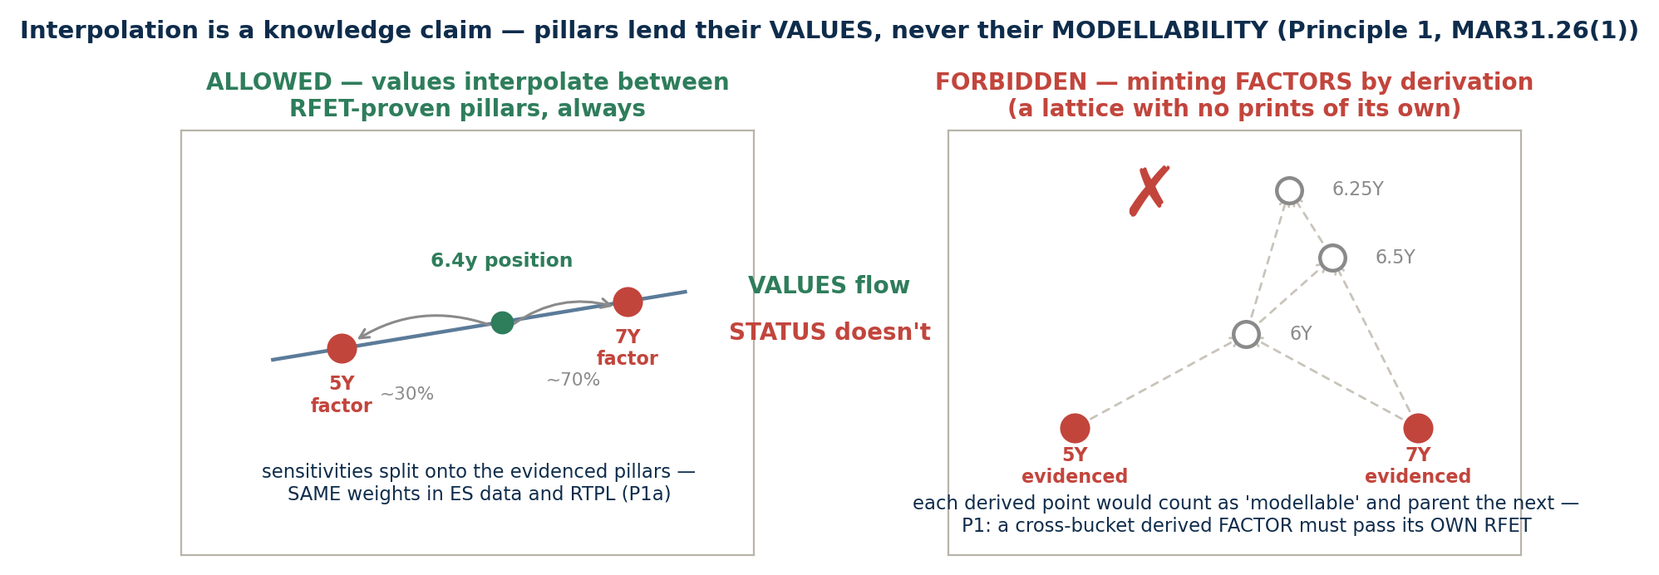
The Seven Data Principles (MAR31.25–31.26) — the rent a factor pays to STAY in the ES model
Applied AFTER a factor passes the RFET, to the data used to CALIBRATE the ES model (which need not be the RFET data, 31.22). 31.25 chapeau: never rely on observation COUNTS alone — source ACCURACY matters. 31.26 chapeau: banks must demonstrate the principles to their supervisor; principles unmet ⇒ the supervisor may deem the data unsuitable and the factor becomes an NMRF DESPITE the RFET pass (31.23). The RFET is the entry ticket; these principles are the rent.

# | Principle | What it requires (gist of the text) | Where it bites in this workbook
P1 | Combinations of modellable factors | Factors derived solely from combinations of modellable factors are modellable (multifactor betas, PCA, stochastic-vol parameters). BUT: a factor built from points in DISTINCT buckets of a curve must itself pass the RFET; interpolation must be consistent with the PLA/RTPL mapping — never a broader, alternative bucketing; extrapolation only up to a reasonable distance, from MORE than one modellable factor, with supervisor approval, and it must be reflected in RTPL. | The RTPL-mapping consistency rule is the same discipline as 31.16(1)(a) — see 45_guardrail; parametric factors (FX smile ATM/RR/BF, SABR) → 50 rows 41–48 (31.19).
P2 | Idiosyncratic AND general market risk | The data must let the model pick up BOTH general market risk (co-movement with indices) and idiosyncratic risk (issue-specific: default provisions, maturity, seniority). Whichever component the data cannot support must be capitalised as NMRF. | Exactly the systematic-vs-idio split: 50 rows 11–19 (31.20 example) and 55 §1 (XYZ Corp: sector factor in ES, residual as NMRF, SES $259k → $122k).
P3 | Volatility & correlation fidelity | Do not understate volatility (no convenient averaging, no smoothing proxies); correlations must be reasonable approximations of correlations among REAL price observations; transformations must not understate vol or distort correlation. | The smooth-series pathology on 05 §1: interpolated XYZ 7Y shows ρ≈1 with 5Y and a third of the true twist risk — precisely what P3 exists to catch.
P4 | Data reflective of real prices — the standing recon | Data must reflect prices observed/quoted in the market; where not derived from real prices, demonstrate they are reasonably representative; PERIODICALLY RECONCILE risk-model prices against front-office AND back-office prices, and against real price observations. Document how risk factors are derived. | 05 §2 'POLICE' row — the post-pass life of the prices; the recon is why observations are never thrown away after the pass.
P5 | Update frequency | Update model data as often as possible — monthly at MINIMUM, preferably daily; maintain a workflow for data-source updates; re-estimate regressions at least every TWO WEEKS; calibrate pricing models to market no less often than front office; clear backfill/gap-fill policies. | 55 §1/§2: the β of the XYZ decomposition and the NovaTech proxy are flagged for ≥ fortnightly re-estimation — that flag IS P5.
P6 | Stress-period data (ES_R,S) | Data for the stressed ES must reflect prices observed/quoted in the ACTUAL stress period, sourced from that period wherever possible; differences must be empirically justified. If current-product data cannot be justified for the stress window, OMIT the factor from the stressed period and meet MAR33.5(2)(b): the reduced factor set must still explain ≥75% of the fully-specified ES. Name-specific factors that did not exist in the stress period: their idiosyncratic part is presumed OUT of the reduced set; map exposures to the most suitable reduced-set factor. | The stress-window σ's used for the SES illustrations on 55 are the P6 discipline in miniature (worst-12m calibration).
P7 | Proxies — limited, similar, empirical | Proxies must be limited and sufficiently similar to what they represent (region, quality, type); multifactor models need significant explanatory power, empirically-based betas (never judgment — judgment-set coefficients ⇒ treat as NMRF), residual idiosyncratic risk demonstrably uncorrelated across issuers, and an assessment of proxy uncertainty. P7(b), the punchline: if a proxy represents the factor in the ES model, the PROXY — not the actual factor — must be used in RTPL, UNLESS the basis is identified and properly capitalised (in ES if modellable, else NMRF); only then may RTPL carry proxy+basis or the actual factor. | 55 §2 end-to-end (NovaTech: candidate scoring, peer-stock selection, basis SES €0.94m); P7(b) is the standard remediation for PLA failures — the RTPL/proxy alignment rule.
Reading order for a video walkthrough: 05 (why real prices) → RFET pass → 31.22 (calibrate on richer data) → THIS SHEET (the seven ongoing conditions) → 31.23 (the supervisor's NMRF lever). The principles are where modellability stops being a counting exercise and becomes a data-governance obligation.

P1 DEEP-CUT — TWO ALLOCATION SYSTEMS, ONE CLAMP. Buckets allocate PRINTS discretely (each real price counts in ONE bucket, 31.18) — that is the COUNTING geometry. Interpolation allocates SENSITIVITIES continuously (a 6.4y position reprices off the fitted curve, ~30/70 onto the 5Y and 7Y factors) — that is the RISK mapping, and P1(a) requires the SAME weights in ES data and RTPL. The clamp: pillars lend their VALUES, never their MODELLABILITY — a derived point promoted to a FACTOR across buckets must pass its OWN RFET, which is what blocks the chain reaction (6Y from 5Y+7Y, then 6.5Y from 6Y…: a lattice of pseudo-modellable factors with no prints). Compression of evidence (PCA, betas, smile parameters) is welcome; multiplication of it is not. One-liner: an interpolated point is built from adjacent RFET-proven pillars, and the mapping ASSERTS the point carries no material risk beyond what they imply — an assertion PLA tests daily; if it fails, the point becomes its own factor (own RFET) or its residual is charged as NMRF.

